Get the Mobile-Friendly Version
Use the Dispatch Schedule Tracker on Your Phone or Tablet
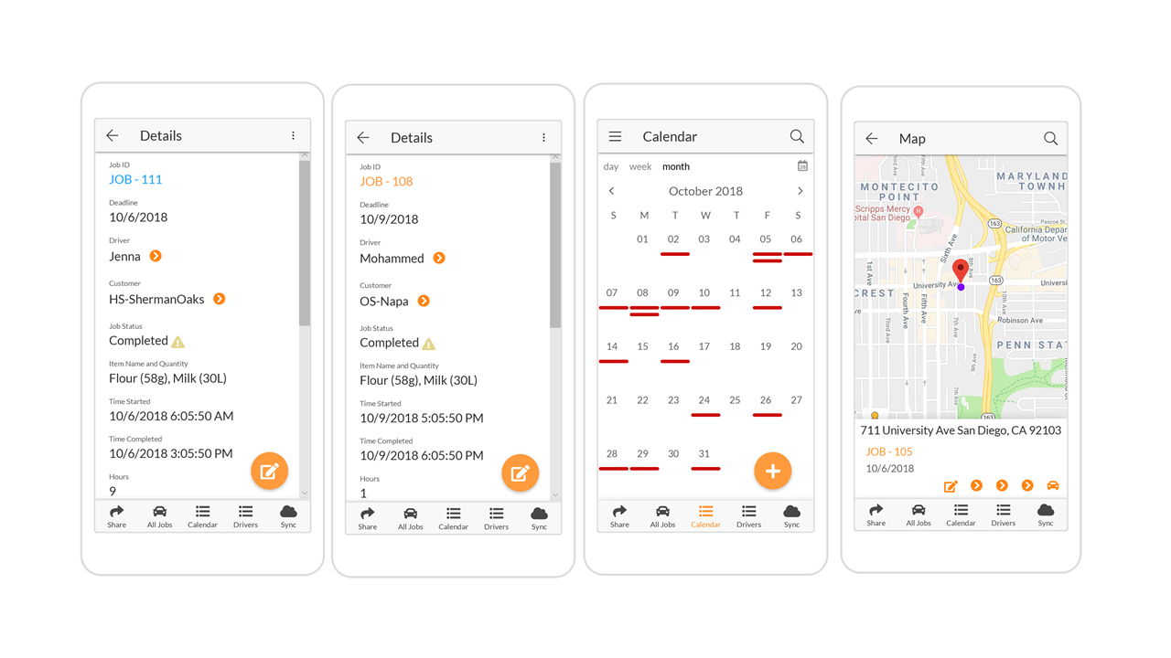
 | Why?
 | 1. It includes a calendar with daily, weekly, and monthly viewing options. 3. Each job number has its own data, delivery status, and customer.
 | 2. The app version maps that facilitate destination finding.
 | How?
 | 1. Click the Get the Dispatch Schedule Template Button
 | 2. The app is yours! Customize it to fit your needs!

 | Copy the Dispatch Schedule App

